Rubric
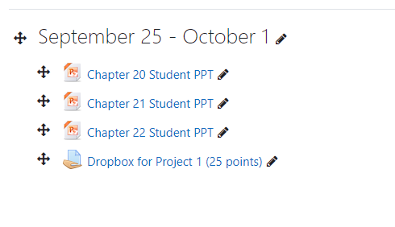

1. Due beginning of class Monday 9-25-23 (2 p.m. and 3:30 p.m respectively)

 | A. Report information on a new worksheet (tab within this file) and return this entire spreadsheet with completed information.

 | B. Place in Moodle dropbox

2. Create pivot table on a new worksheet (tab within this file).

 | A. Sort pivot table by month and sales per month. (5 points)

3. Create pivot table on a new worksheet (tab within this file)

 | A. Sort pivot table by month and quantity per month (5 points)

4. Create bar graph for 2023 sales per quarter. (4 bars). (5 points)

5. Create line graph for 2023 sales per month (12 points on line). (5 points)

6. Identify / record the following:

 | A. What is the sales for Oct. 2023? (1 point) | 67062
 | B. What is the past due sales dollars due prior 1-1-2023? (1 point) |  |  | 6302293
 | C. What is the oldest past due sales item (record part number, PO, quantity and price) (1 point) |  |  |  | HMAFL00005-12*,027288-20,20,988
 | D. What is the average sales per month in 2023? (1 point) |  | 52457
 | E. What part number is the highest price per piece? (1 point) |  | NRAE_DRPFL00027*V0

sales per month
Row Labels | Sum of Piece Price
Jan | 11319.12
Mar | 6642.16
Apr | 23734.13
May | 9385.23
Jun | 56359.82
Jul | 53253.66
Aug | 53285.8454
Sep | 53293.0088
Oct | 67062.6876
Nov | 292275.97
Dec | 2883.55
Grand Total | 629495.1818

bar graph sales per quarter
Row Labels | Sum of Piece Price
Qtr1 | 17961.28
Qtr2 | 89479.18
Qtr3 | 159832.5142
Qtr4 | 362222.2076
Grand Total | 629495.1818

